Sheet1
 | Document No. |  | Issue No. | Issue Date |  |  | Review and Replace Date |  | Authorised By
 | GFF275MC |  | 3 | 10.06.2021 |  |  | 28.11.2022 |  | Magda Shah
 | Document Title |  | Thai Meal Box for 1 - 600g

Document amendments reason for change | Tray and Film Updated |  | Page 1 of 1 |  |  | Previous Issue Date |  | 23.12.2021 | Uncontrolled copy unless signed original

CTHML-R2TCC |  | Chef's Creation (NISA) |  |  | Thai Meal Box for 1 - 600g | CHILLED
STEP 1 |  |  |  |  |  |  |  | STEP 3
Tray: CPET ST EV-2B (PKRHP001-11) |  |  |  |  |  |  |  | Tray: EVOLVE CPET 2200-1E FROST(PKRHP001-15)
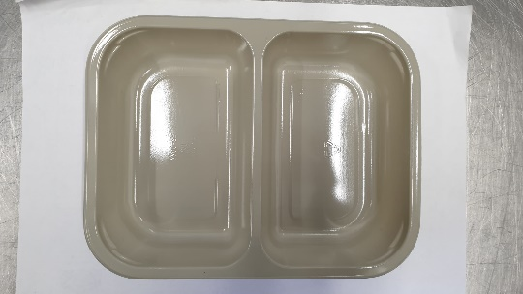 |  |  |  |  |  |  |  | 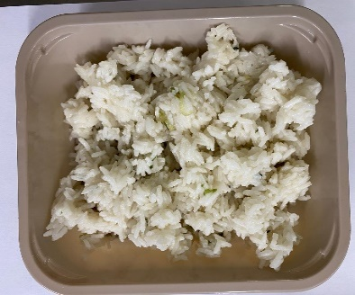
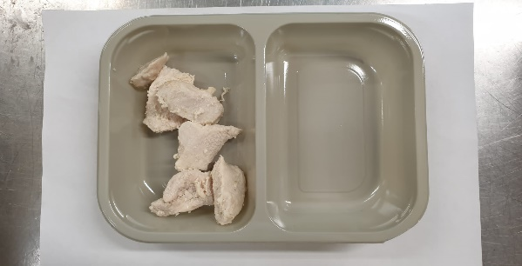
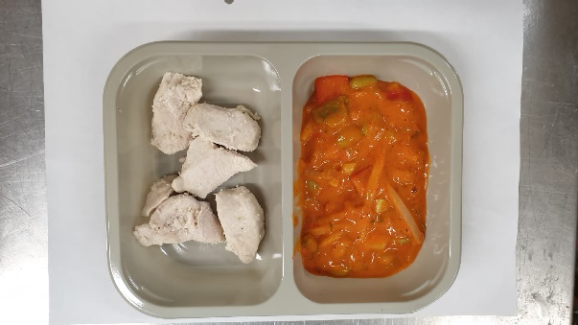
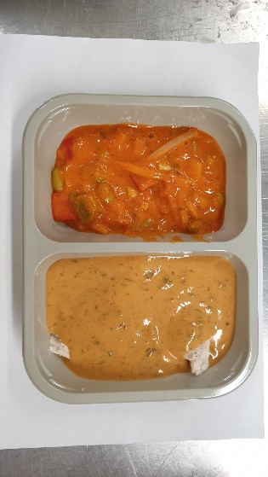

JASMINE RICE
200g

Tray: CPET ST EV-2B (PKRHP001-11) | British Diced Chicken 12-14g (Marinated) (GFF164R): 50g |  | Red Thai Vegetable Curry Sauce (GFF210R): 100g |  |  | Panang Curry Sauce (GFF199R): 150g |  | Jasmine Rice (GFF162R): 200g

Film: K peel 7G+25A/f- 275mm (275 mmX1000)(PKKMP001-03) |  |  |  |  |  |  |  | Film: K Peel 3G 25µm (275mmX1000lm) (PKKMP001-04)
STEP 3 |  |  |  |  |  | STEP 4
 |  |  |  |  |  | 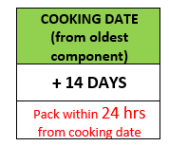

2 x Vegetable Spring Rolls (GFF114R) 50g: 100g |  |  |  |  |  | TOTAL WEIGHT: 600g
Packaging: EVOLVE CPET 2200-1E FROST(PKRHP001-15)
ALLERGY ALERT: Barley, Crustacean, Fish, Soya, Wheat, Sesame

